Report
 |  |  |  | Crystal Ball Report - Full
 |  |  |  | Simulation started on 1/3/2020 at 4:57 PM
 |  |  |  | Simulation stopped on 1/3/2020 at 5:00 PM

 | Run preferences:
 |  | Number of trials run | 100,000
 |  | Monte Carlo
 |  | Random seed
 |  | Precision control on
 |  | Confidence level | 95.00%

 | Run statistics:
 |  | Total running time (sec) | 157.39
 |  | Trials/second (average) | 635
 |  | Random numbers per sec | 3,812

 | Crystal Ball data:
 |  | Assumptions | 6
 |  | Correlations | 0
 |  | Correlation matrices | 0
 |  | Decision variables | 0
 |  | Forecasts | 2

 |  |  |  | Forecasts

Worksheet: [Module_7_Semi-transparent.xlsx]uncertainty

Forecast: EPBT |  |  |  |  |  | Cell: C9

 | Summary:
 |  | Certainty level is 95.000%
 |  | Certainty range is from 0.37 to 0.94
 |  | Entire range is from 0.21 to 1.82
 |  | Base case is 0.59
 |  | After 100,000 trials, the std. error of the mean is 0.00

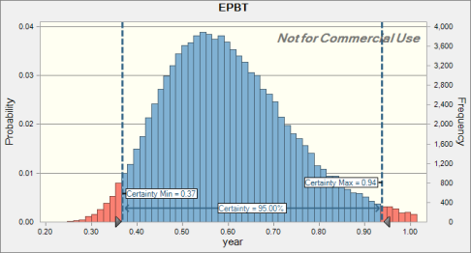

 | Statistics: |  | Forecast values
 |  | Trials | 100,000
 |  | Base Case | 0.59
 |  | Mean | 0.60
 |  | Median | 0.59
 |  | Mode | ---
 |  | Standard Deviation | 0.15
 |  | Variance | 0.02
 |  | Skewness | 0.7611
 |  | Kurtosis | 4.10
 |  | Coeff. of Variation | 0.2422
 |  | Minimum | 0.21
 |  | Maximum | 1.82
 |  | Range Width | 1.61
 |  | Mean Std. Error | 0.00

Forecast: EPBT (cont'd) |  |  |  |  |  | Cell: C9

 | Percentiles: |  | Forecast values
 |  | 0% | 0.21
 |  | 10% | 0.43
 |  | 20% | 0.48
 |  | 30% | 0.52
 |  | 40% | 0.55
 |  | 50% | 0.59
 |  | 60% | 0.62
 |  | 70% | 0.67
 |  | 80% | 0.72
 |  | 90% | 0.80
 |  | 100% | 1.82

Forecast: GHG emission factor |  |  |  |  |  | Cell: C10

 | Summary:
 |  | Certainty level is 95.000%
 |  | Certainty range is from 48.94 to 144.75
 |  | Entire range is from 25.28 to 290.96
 |  | Base case is 84.02
 |  | After 100,000 trials, the std. error of the mean is 0.08

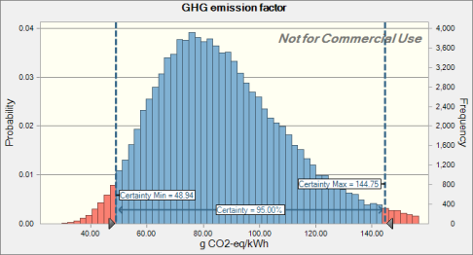

 | Statistics: |  | Forecast values
 |  | Trials | 100,000
 |  | Base Case | 84.02
 |  | Mean | 87.44
 |  | Median | 84.11
 |  | Mode | ---
 |  | Standard Deviation | 24.70
 |  | Variance | 610.11
 |  | Skewness | 0.8736
 |  | Kurtosis | 4.38
 |  | Coeff. of Variation | 0.2825
 |  | Minimum | 25.28
 |  | Maximum | 290.96
 |  | Range Width | 265.68
 |  | Mean Std. Error | 0.08

Forecast: GHG emission factor (cont'd) |  |  |  |  |  | Cell: C10

 | Percentiles: |  | Forecast values
 |  | 0% | 25.28
 |  | 10% | 59.07
 |  | 20% | 66.68
 |  | 30% | 72.75
 |  | 40% | 78.38
 |  | 50% | 84.11
 |  | 60% | 90.19
 |  | 70% | 97.31
 |  | 80% | 106.34
 |  | 90% | 119.85
 |  | 100% | 290.96

End of Forecasts
 |  |  |  | Assumptions

Worksheet: [Module_7_Semi-transparent.xlsx]uncertainty

Assumption: CO2 · module 4 |  |  |  |  |  | Cell: C8

 | Lognormal distribution with parameters:
 |  | Location | 0.00
 |  | Geo. Mean | 53.56 |  | (=C8)
 |  | Geo. Std. Dev. | 1.11 |  | (=E8)

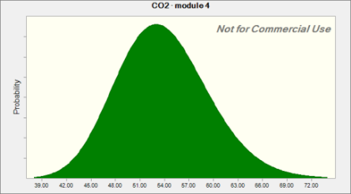

Assumption: Insolation · module 4 |  |  |  |  |  | Cell: C2

 | Normal distribution with parameters:
 |  | Mean | 1,700.00 |  | (=C2)
 |  | Std. Dev. | 58.90 |  | (=E2)
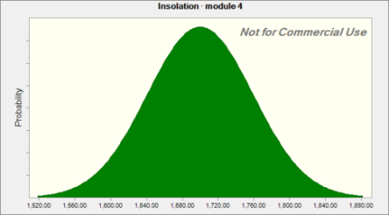

Assumption: lifetime · module 4 |  |  |  |  |  | Cell: C6

 | Lognormal distribution with parameters:
 |  | Location | 0.00
 |  | Geo. Mean | 5.00 |  | (=C6)
 |  | Geo. Std. Dev. | 1.15 |  | (=E6)

Assumption: lifetime · module 4 (cont'd) |  |  |  |  |  | Cell: C6

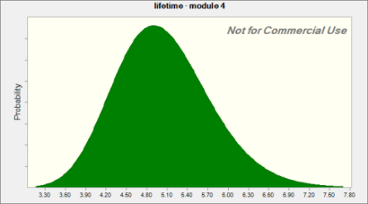

Assumption: module efficiency · module 4 |  |  |  |  |  | Cell: C4

 | Lognormal distribution with parameters:
 |  | Location | 0.00%
 |  | Geo. Mean | 10.00% |  | (=C4)
 |  | Geo. Std. Dev. | 105.00% |  | (=E4)
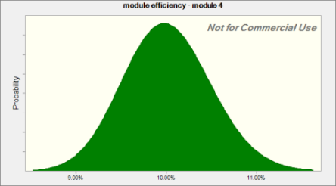

Assumption: performance ratio · module 4 |  |  |  |  |  | Cell: C3

 | Lognormal distribution with parameters:
 |  | Location | 0%
 |  | Geo. Mean | 75% |  | (=C3)
 |  | Geo. Std. Dev. | 123% |  | (=E3)

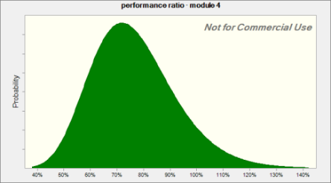

Assumption: primary energy consumption · module 4 |  |  |  |  |  | Cell: C7

 | Lognormal distribution with parameters:
 |  | Location | 0.00
 |  | Geo. Mean | 933.28 |  | (=C7)
 |  | Geo. Std. Dev. | 1.11 |  | (=E7)

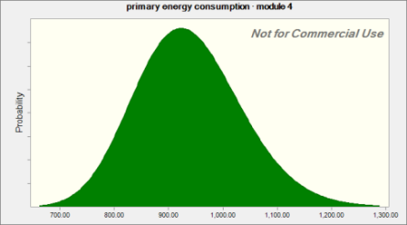

End of Assumptions
 |  |  |  | Sensitivity Charts

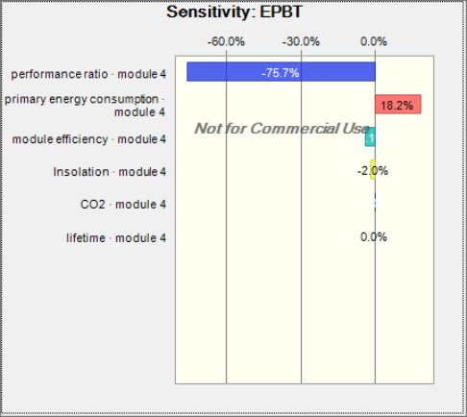

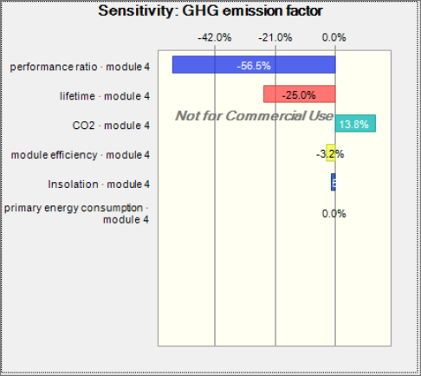

End of Sensitivity Charts

